Report
Test Case Report
Project Name - | Amazon Shopping
Module Name - | User Management |  |  |  |  | Total No. | Status | Result :
Test Case Version | - |  |  |  |  | 67 | PASS
Written By | Israt Jahan |  |  |  |  | 14 | FAIL
Executed By |  |  |  |  |  | 0 | Not Executed | New Features | Testing Scope | Testing Environment :
Reviewed By |  |  |  |  |  | 2 | Out of Scope |  |  | Windows-10, Google Chrome Browser
Test Case Report
TEST EXECUTION REPORT

Test Case | PASS | FAIL | Not Executed | Out Of Scope | Total TC
 | 67 | 14 | 0 | 2 | 83
Grand Total | 67 | 14 | 0 | 2 | 83

LIMITATIONS
Documents |  |  |  | Received | Useful
PRD |  |  |  | No | No
USER STORY |  |  |  | No | No

Mindmap
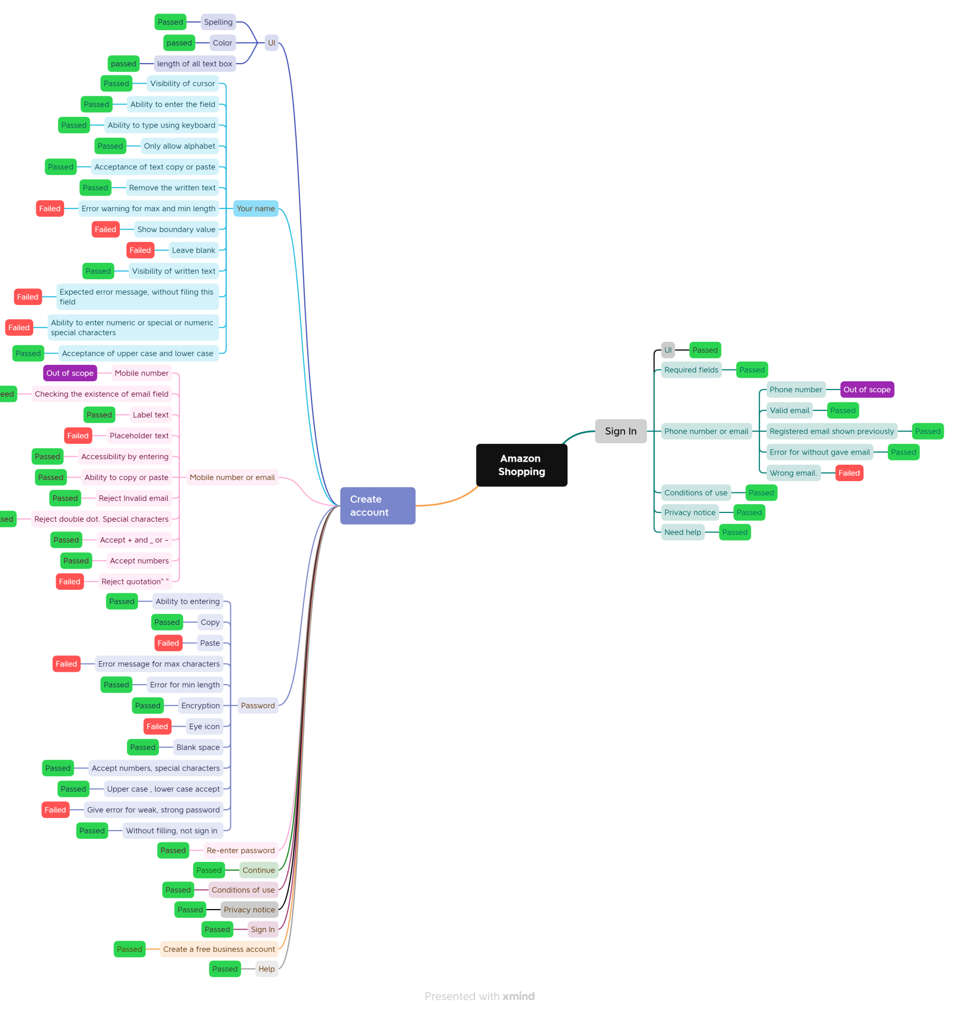
MindMap

